LinkedIn Sponsored InMail
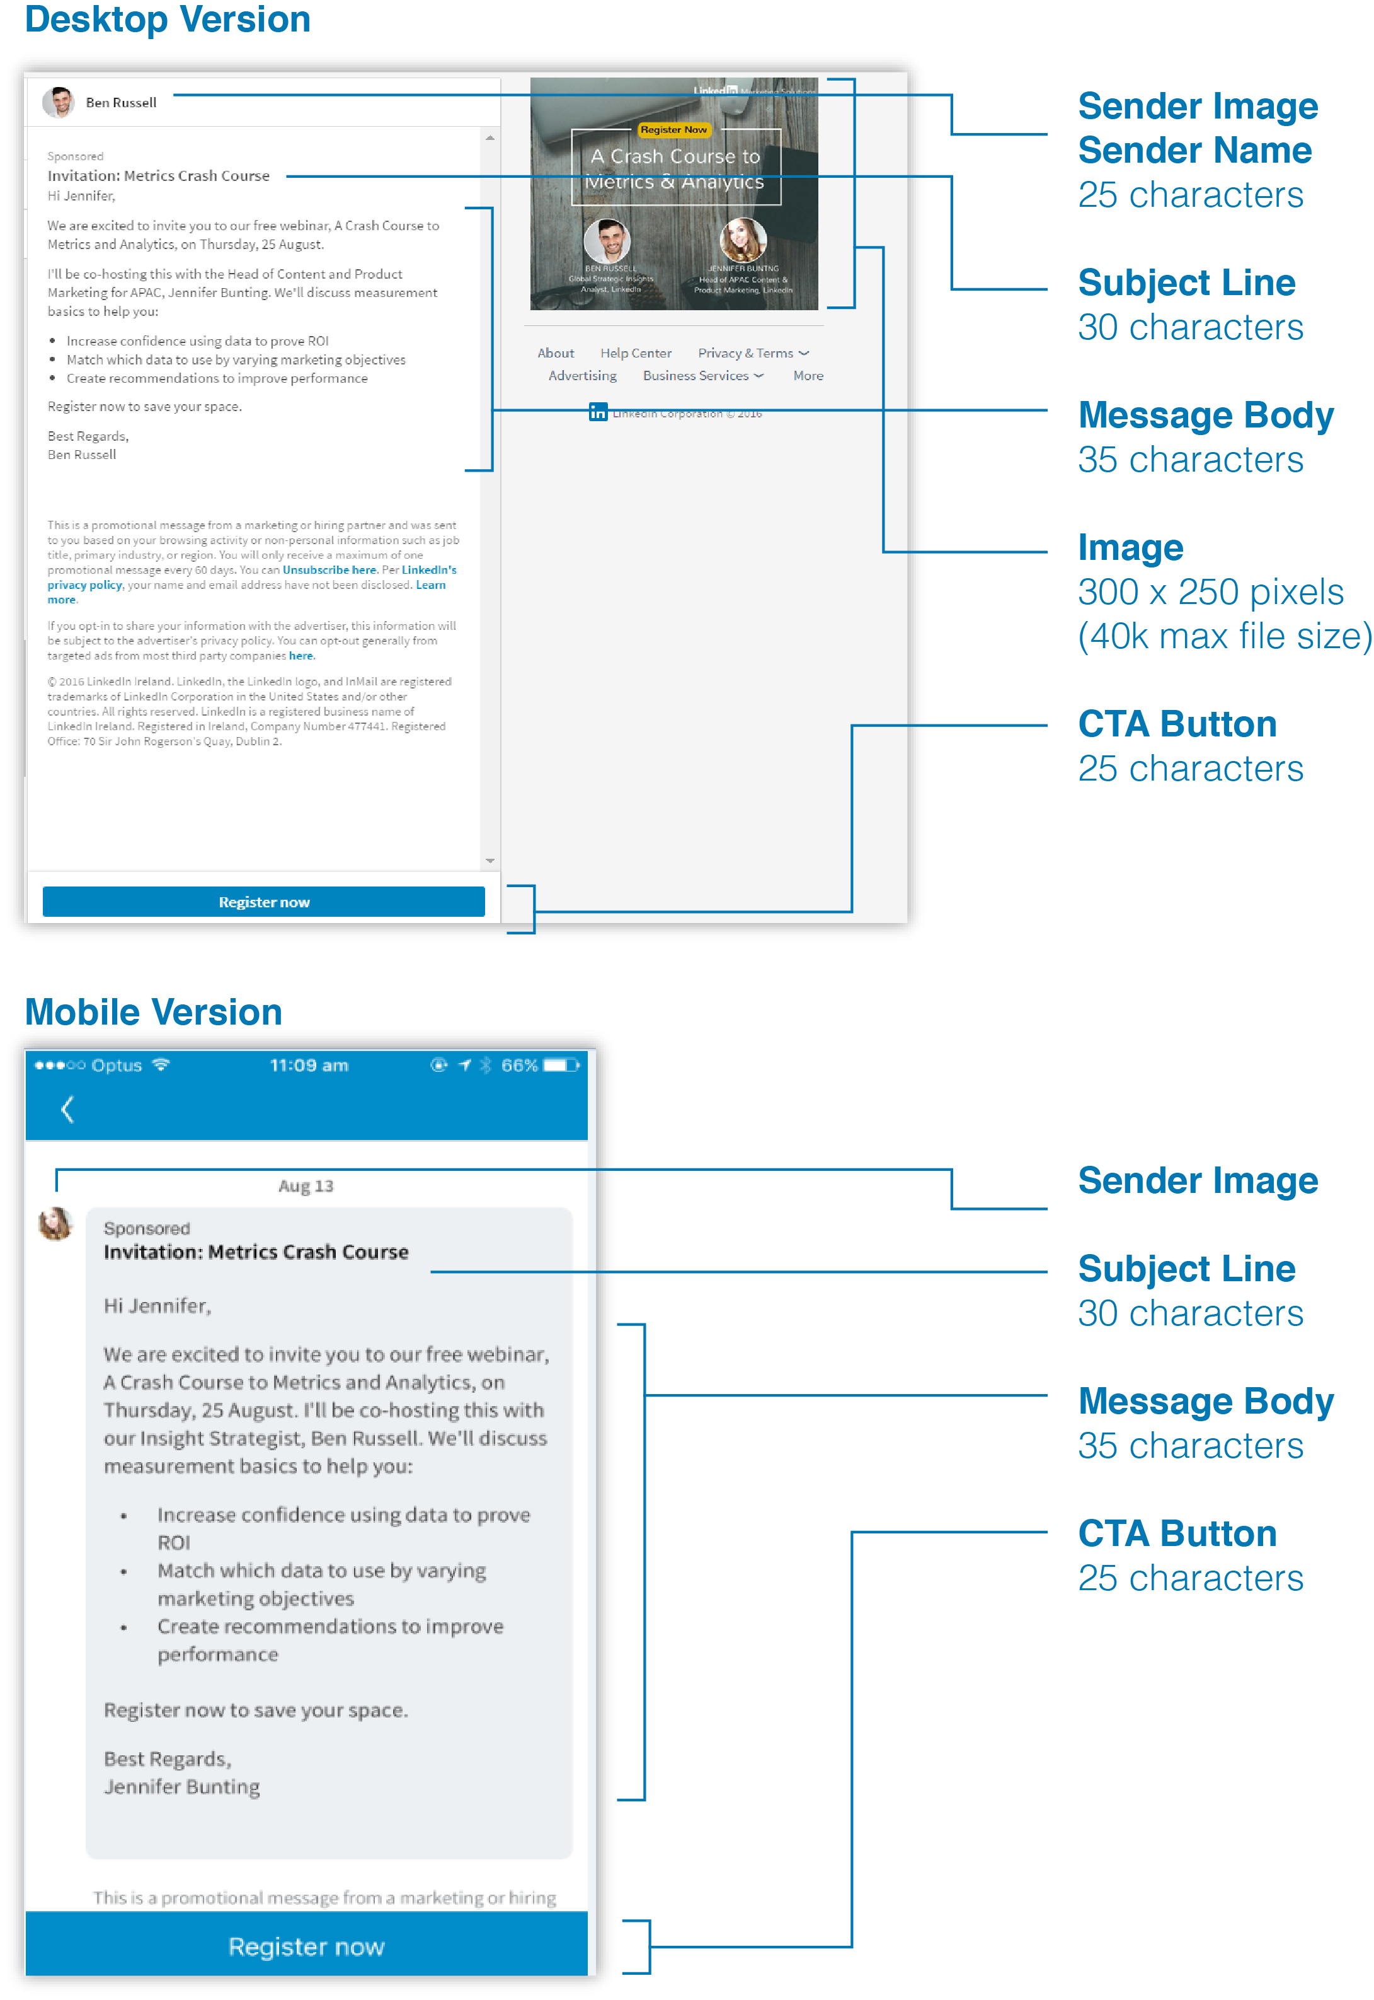
 | LinkedIn Sponsored InMail

Destination URL | Enter your landing destination URL here
Best Practice | In addition to the call to action banner, include a hyperlink to your landing page within the body copy. Avoid links to multiple landing pages so that the viewer is not confused.

Message Preview |  | Count | Limit | Difference

Sender Name | If the sender is a member the first & last name are required | 60 | 25 | -35 | *Note: Character counts may vary by device and user settings. Character counts are suggested for optimal member experience
Subject Line | Example: Win Big With Content Marketing | 39 | 30 | -9
Description | Optional and only displayed in desktop views | 44 | 35 | -9
Sender Image | Add link here for company logo or member image This can be from the LinkedIn profile or company page

Message Body | For best results, keep the body copy as short as possible in order to minimise scrolling. Press ""Alt"" + ""Return"" together to drop down to the next line. This will allow you to move to the next line Sponsored InMail Best Practice Tips: 1. You need to GIVE value to GET value. Focus the message on the member benefit not the company/product 2. Tailor the message to ensure relevance, the member needs to understand why they are receiving this message and why it's relevant 3. Include a clear call to action and align it to the context of your message 4. Keep the message conversational and genuine 5. Add one clickable link to the message body to help yield a higher CTR on mobile | 687 | 500 | -187
CTA Button | add your CTA text here | 22 | 25 | 3

Image | InMail Creative 300 x 250 pixels (40k max file size) If no banner is provided another ad will appear in its place. Can only accept jpeg, png (no flash), gif (non animated) files

Message Tracking
LinkedIn Company Page Link | Enter Company Page link here
Button and Banner URL | Enter CTA URL here
Body Copy Text Link (1 max) | Enter body copy text link URL here

CUSTOM DISCLAIMER (when applicable)
Here are the terms and conditions or legal disclaimers

Company Contact Information **Required for any InMail with Canada included in the geo target**
Company Name
Company Address
Phone Number

